OCV-501
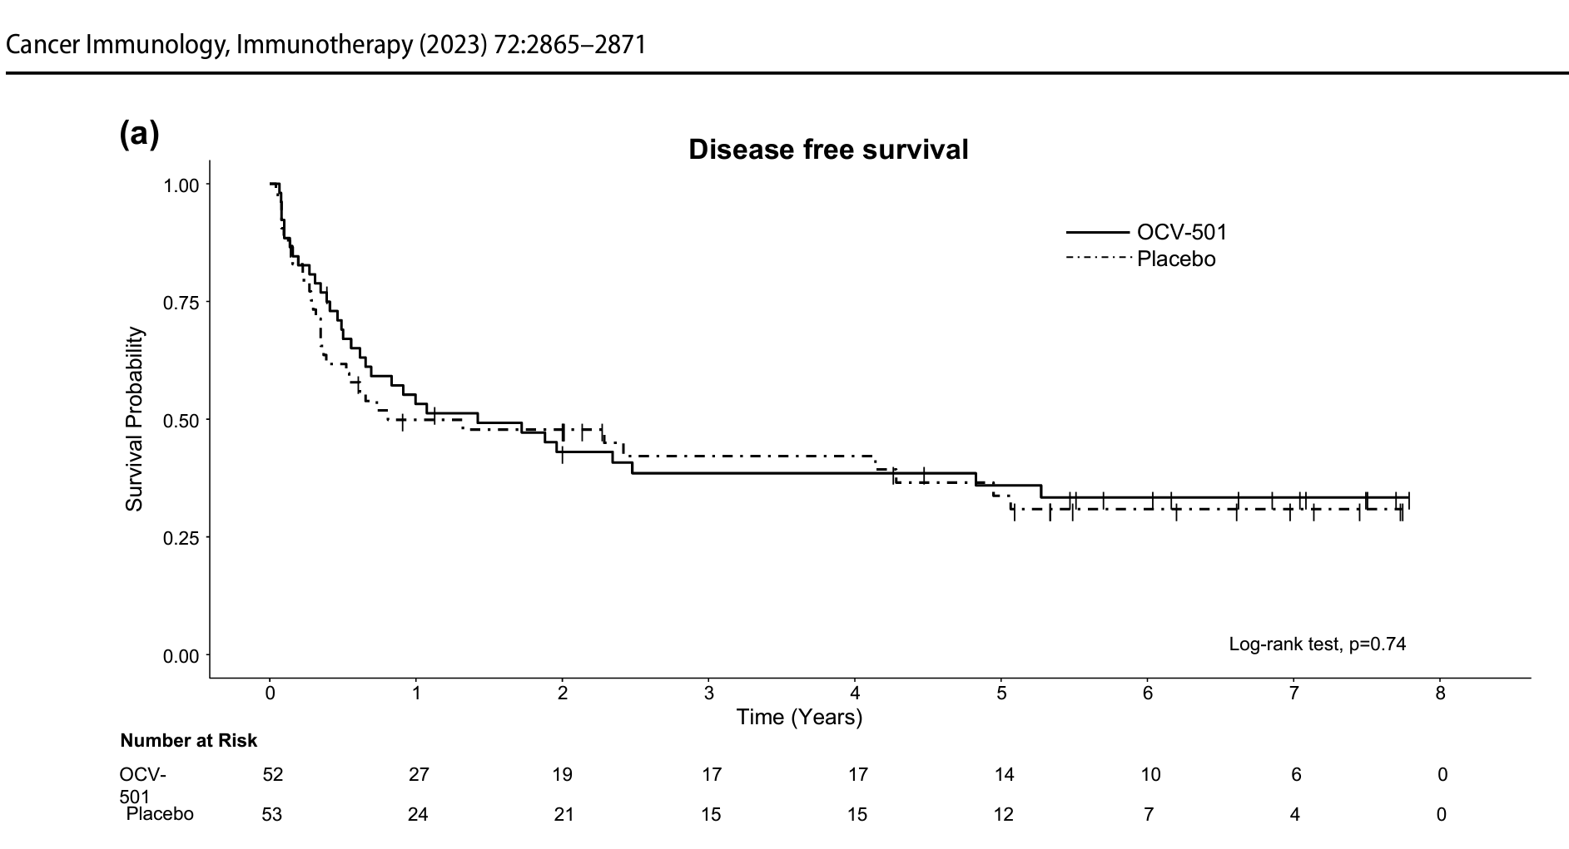
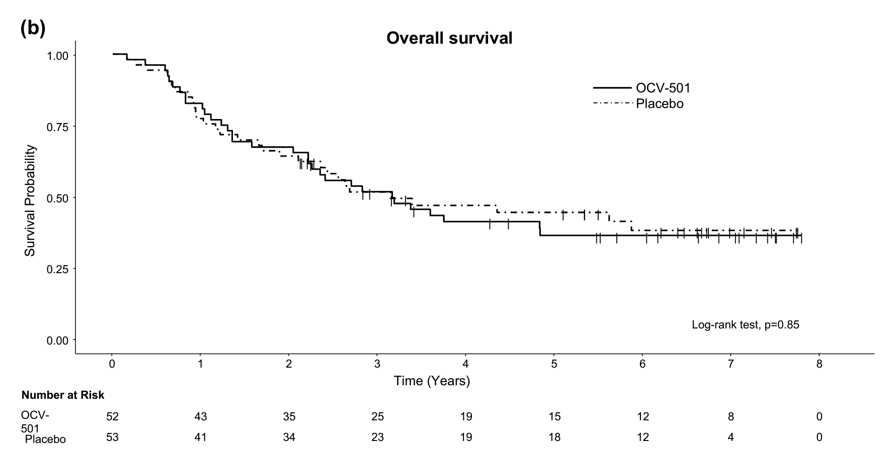
main
 | Brand | OCV-501 | by Otsuka
 | Generic
 | Indication | AML

 | type | small molecule
 |  |  |  | | Feature | GPS (galinpepimut-S) | OCV-501 |
 | MoA | Examined parallel immunotherapies targeting WT1 for leukemia outcomes |  | | Antigen | WT1 | WT1 |
 |  | OCV-501 is a WT1-targeting peptide vaccine developed by Otsuka |  | | Vaccine type | Multivalent peptide vaccine | Single helper peptide |
 |  | Pharmaceutical for acute myeloid leukemia (AML). It's a helper peptide |  | | Peptides | 4 WT1-derived peptides | 1 WT1 peptide |
 |  | derived from the WT1 protein that induces WT1-specific Th1 immune |  | | Main target | CD8 **and** CD4 T cells | Mainly CD4 helper T cells |
 |  | responses and enhances WT1-specific cytotoxic T lymphocytes. |  | | HLA restriction | Broad (multiple HLA types) | Primarily HLA class II restricted |
 |  |  |  | | Intended immune response | Direct cytotoxic killing + immune memory | Helper response that supports CTLs |
 | SELLAS' drug (galinpepimut-S/GPS) also targets WT1, so both are essentially |  |  | | Clinical status | Phase III (REGAL) | Failed Phase II |
 | the same mechanistic class — peptide-based cancer vaccines aiming to train the
 | immune system against WT1-overexpressing leukemia cells.

 | Patient population: the OCV-501 trial (NCT01961882) enrolled AML patients in first
 | complete remission (CR1), whereas SELLAS' Phase 3 trial enrolls patients in second
 | complete remission (CR2/CRp2) — a harder-to-treat, later-stage population since
 | leukemia tends to worsen with subsequent relapses.

 | Trial design: OCV-501's Phase 2 (NCT01961882) was a randomized, double-blind,
 | placebo-controlled trial comparing OCV-501 monotherapy to placebo, with a planned
 | enrollment of 120 patients (60 per arm). SELLAS' Phase 3 compares GPS to
 | investigator's choice of best available therapy (not placebo), with lower enrollment (~128).

 | Outcome: the OCV-501 study reached its primary endpoint, with 3-year overall survival
 | at 47% versus a pre-specified threshold of 34%, though no p-value was reported,
 | making it hard to judge statistical significance

 | trials

 |  | Phase 2 NCT01961882 n=120
 |  | proper, randomized, double-blind
 |  | 47% drug vs 34% threshold
 |  | but no p value reported!

 | a genuinely statistically significant, clinically meaningful Phase 2 result in a well-designed
 | placebo-controlled trial would normally justify moving into Phase 3 — especially for a
 | company like Otsuka with resources to do so. The fact that it seems to have quietly
 | stopped after Phase 2, with no clear positive readout ever prominently published or a
 | p-value disclosed, is a meaningful signal. It suggests the trial likely missed its endpoint,
 | or hit it too narrowly/ambiguously to justify further investment — not that it was a clear
 | win left dormant for no reason. Companies don't typically abandon genuinely stat-sig
 | Phase 2 wins in a mechanism-validated space like WT1/AML.

 |  | Phase 1 NCT01440920
 |  | favorable safety profile

people

main

 | CEO | Angelos Stergiou, MD, Scd hc - founder, President & CEO
 |  | founded Sellas in 2012 and led it for 13.5 years

 |  | 2009-2011 co founded and served as president/COO of Genesis Life Sciences
 |  | a health economics & pricing/reimbursement consultancy

 |  | 2002-2009 he held increasingly senior roles across several pharma/biotech
 |  | companies - PAION AG, Accentia Biopharma., BioVest international
 |  | Analytica International & Anavex Life Sciences
 |  | spanning clinical research, product development, CMO, COO

 |  | total comp $1.88M pa
 |  | owns about 0.17% direct stake worth about $4M

 | SVP CFO | John Burns

 | VP, Reg Affairs, CMC, Quality | Andrew Elnatan

